Sheet1
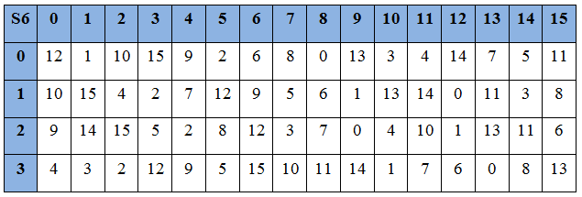

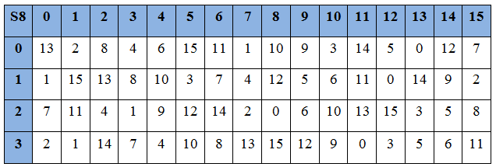
1 | 3 | 3 | 4 | 5 | 7 | 7 | 9 | 9 | B | B | C | D | F | F | 1
0001 | 0011 | 0011 | 0100 | 0101 | 0111 | 0111 | 1001 | 1001 | 1011 | 1011 | 1100 | 1101 | 1111 | 1111 | 0001
1234 | 5678 | 9,10,11,12 | 13,14,15,16 | 17,18,19,20 | 21,22,23,24 | 25,26,27,28 | 29,30,31,32 | 33,34,35,36 | 37,38,39,40 | 41,42,43,44 | 45,46,47,48 | 49,50,51,52 | 53,54,55,56 | 57,58,59,60 | 61,62,63,64

 |  |  |  |  |  |  | PC1
 |  |  |  | 57 1 | 49 1 | 41 1 | 33 1 | 25 0 | 17 0 | 9 0
 |  |  |  | 1 0 | 58 1 | 50 1 | 42 0 | 34 0 | 26 1 | 18 1
TUY£N HOANG |  |  |  | 10 0 | 2 0 | 59 1 | 51 0 | 431 | 350 | 271
TRUNG DUC |  |  |  | 19 0 | 11 1 | 3 0 | 60 1 | 521 | 441 | 361
 |  |  |  | 630 | 551 | 470 | 391 | 310 | 231 | 150
 |  |  |  | 71 | 620 | 541 | 461 | 380 | 300 | 221
 |  |  |  | 141 | 60 | 61 0 | 53 1 | 45 1 | 37 1 | 29 1
 |  |  |  | 21 0 | 13 0 | 5 0 | 28 1 | 20 1 | 12 1 | 4 1

 | CnDn | 1 | 2 | 3 | 4 | 5 | 6 | 7 | 8 | 9 | 10 | 11 | 12 | 13 | 14 | 15 | 16
 | Dịch trái | 1 | 1 | 2 | 2 | 2 | 2 | 2 | 2 | 1 | 2 | 2 | 2 | 2 | 2 | 2 | 1

1111 | 0000 | 1100 | 1100 | 1010 | 1010 | 1111 | 0101 | 0101 | 0110 | 0110 | 0111 | 1000 | 1111
C0 |  |  |  |  |  |  | D0 |  |  |  |  |  |  | C0DO
1110 | 0001 | 1001 | 1001 | 0101 | 0101 | 1111 | 1010 | 1010 | 1100 | 1100 | 1111 | 0001 | 1110
C1 |  |  |  |  |  |  | D1 |  |  |  |  |  |  | C1D1
1100 | 0011 | 0011 | 0010 | 1010 | 1011 | 1111 | 0101 | 0101 | 1001 | 1001 | 1110 | 0011 | 1101
C2 |  |  |  |  |  |  | D2 |  |  |  |  |  |  | C2D2
0000 | 1100 | 1100 | 1010 | 1010 | 1111 | 1111 | 0101 | 0110 | 0110 | 0111 | 1000 | 1111 | 0101 | C3D3
0011 | 0011 | 0010 | 1010 | 1011 | 1111 | 1100 | 0101 | 1001 | 1001 | 1110 | 0011 | 1101 | 0101 | C4D4
1100 | 1100 | 1010 | 1010 | 1111 | 1111 | 0000 | 0110 | 0110 | 0111 | 1000 | 1111 | 0101 | 0101 | C5D5
 |  |  |  |  |  |  |  |  |  |  |  |  |  | C6D6
 |  |  |  |  |  |  |  |  |  |  |  |  |  | C7D7
 |  |  |  |  |  |  |  |  |  |  |  |  |  | C8D8
 |  |  |  |  |  |  |  |  |  |  |  |  |  | C9D9
 |  |  |  |  |  |  |  |  |  |  |  |  |  | C10D10
 |  |  |  |  |  |  |  |  |  |  |  |  |  | C11D11
 |  |  |  |  |  |  |  |  |  |  |  |  |  | C12D12
 |  |  |  |  |  |  |  |  |  |  |  |  |  | C13D13
 |  |  |  |  |  |  |  |  |  |  |  |  |  | C14D14
 |  |  |  |  |  |  |  |  |  |  |  |  |  | C15D15
 |  |  |  |  |  |  |  |  |  |  |  |  |  | C16D16
 |  |  |  |  |  | PC2
 |  |  |  | 14 1 | 17 0 | 11 0 | 24 1 | 1 1 | 5 0
 |  |  |  | 3 1 | 28 1 | 15 0 | 6 0 | 21 0 | 10 0
 |  |  |  | 23 0 | 19 0 | 12 1 | 4 0 | 26 1 | 8 1
 |  |  |  | 16 1 | 7 0 | 27 1 | 20 1 | 13 0 | 2 1
 |  |  |  | 41 1 | 52 0 | 31 1 | 37 1 | 47 1 | 55 1
 |  |  |  | 30 0 | 40 0 | 51 0 | 45 1 | 33 1 | 48 1
 |  |  |  | 44 0 | 49 0 | 39 0 | 56 1 | 34 0 | 53 0
 |  |  |  | 46 1 | 42 1 | 50 0 | 36 0 | 29 1 | 32 0

1001 | 1011 | 0000 | 0010 | 1110 | 1101 | 1011 | 1100 | 0111 | 0001 | 0011 | 0010 | K1
0110 | 1100 | 0000 | 1011 | 1011 | 1011 | 0110 | 1111 | 0001 | 1100 | 0100 | 1100 | K2
 |  |  |  |  |  |  |  |  |  |  |  | K3
 |  |  |  |  |  |  |  |  |  |  |  | K4
 |  |  |  |  |  |  |  |  |  |  |  | K5
 |  |  |  |  |  |  |  |  |  |  |  | K6
 |  |  |  |  |  |  |  |  |  |  |  | K7
 |  |  |  |  |  |  |  |  |  |  |  | K8
 |  |  |  |  |  |  |  |  |  |  |  | K9
 |  |  |  |  |  |  |  |  |  |  |  | K10
 |  |  |  |  |  |  |  |  |  |  |  | K11
 |  |  |  |  |  |  |  |  |  |  |  | K12
 |  |  |  |  |  |  |  |  |  |  |  | K13
 |  |  |  |  |  |  |  |  |  |  |  | K14
 |  |  |  |  |  |  |  |  |  |  |  | K15
 |  |  |  |  |  |  |  |  |  |  |  | K16
BƯỚC 2
0 | 1 | 2 | 3 | 4 | 5 | 6 | 7 | 8 | 9 | A | B | C | D | E | F
0000 | 0001 | 0010 | 0011 | 0100 | 0101 | 0110 | 0111 | 1000 | 1001 | 1010 | 1011 | 1100 | 1101 | 1110 | 1111

 |  |  |  |  |  |  | IP
 |  |  |  | 58 1 | 50 1 | 42 0 | 34 0 | 26 1 | 18 1 | 10 0 | 2 0
 |  |  |  | 60 0 | 52 0 | 44 0 | 36 0 | 28 0 | 20 0 | 12 0 | 4 0
 |  |  |  | 62 1 | 54 1 | 46 0 | 38 0 | 30 1 | 22 1 | 14 0 | 6 0
 |  |  |  | 64 1 | 56 1 | 48 1 | 40 1 | 32 1 | 24 1 | 16 1 | 8 1
 |  |  |  | 57 1 | 49 1 | 41 1 | 33 1 | 25 0 | 17 0 | 9 0 | 1 0
 |  |  |  | 59 1 | 51 0 | 43 1 | 35 0 | 27 1 | 19 0 | 11 1 | 3 0
 |  |  |  | 61 1 | 53 1 | 45 1 | 37 1 | 29 0 | 21 0 | 13 0 | 5 0
 |  |  |  | 63 1 | 55 0 | 47 1 | 39 0 | 31 1 | 23 0 | 15 1 | 7 0

1100 | 1100 | 0000 | 0000 | 1100 | 1100 | 1111 | 1111 | 1111 | 0000 | 1010 | 1010 | 1111 | 0000 | 1010 | 1010
L0 |  |  |  |  |  |  |  | R0
1111 | 0000 | 1010 | 1010 | 1111 | 0000 | 1010 | 1010 | 0100 | 1100 | 0001 | 1110 | 1111 | 0011 | 0100 | 0100
 |  | L1 |  |  |  |  | E bit (E(R0)....E(R15)) |  |  |  |  | R1
 |  |  |  | 1 | 32 0 | 1 1 | 2 1 | 3 1 | 4 1 | 5 0
 |  |  |  | 2 | 4 1 | 5 0 | 6 0 | 7 0 | 8 0 | 9 1
 |  |  |  | 3 | 8 0 | 9 1 | 10 0 | 11 1 | 12 0 | 13 1
 |  |  |  | 4 | 12 0 | 13 1 | 14 1 | 15 1 | 16 1 | 17 0
 |  |  |  | 5 | 16 1 | 17 0 | 18 0 | 19 0 | 20 0 | 21 1
 |  |  |  | 6 | 20 0 | 21 1 | 22 0 | 23 1 | 24 0 | 25 1
 |  |  |  | 7 | 24 0 | 25 1 | 26 0 | 27 1 | 28 0 | 29 1
 |  |  |  | 8 | 28 0 | 29 1 | 30 0 | 31 1 | 32 0 | 1 1

 |  |  |  |  | K1 | 100110 | 110000 | 001011 | 101101 | 101111 | 000111 | 000100 | 110010
i=1 | L1=R0 |  |  |  | E(R0)= | 011110 | 100001 | 010101 | 010101 | 011110 | 100001 | 010101 | 010101
 | R1=L0 | XOR | f (R0, K1) | ==> | f1= K1 XOR E(R0) | 111000 | 010001 | 011110 | 111000 | 110001 | 100110 | 010001 | 100111
i=2 | L2=R1 |  |  |  | S BOX | B1 | B2 | B3 | B4 | B5 | B6 | B7 | B8
 | R2=L1 | XOR | f (R1, K2) |  | S1(B1).....S8(B8) | 3 | 12 | 8 | 5 | 6 | 5 | 14 | 7
 |  |  |  |  | S BOX | 0011 | 1100 | 1000 | 0101 | 0110 | 0101 | 1110 | 0111
 |  |  |  |  |  |  |  |  |  |  |  |  |  | HOÁN VỊ P
i=16 | L16=R15 |  |  |  |  |  |  |  |  |  |  | 1 | 16 1 | 7 0 | 20 0 | 21 0
 | R16=L15 | XOR | f (R15, K16) | 00 |  |  |  |  |  |  |  | 2 | 29 0 | 12 0 | 28 0 | 17 0
 |  |  |  |  |  |  |  |  |  |  |  | 3 | 1 0 | 15 0 | 23 0 | 26 1
 |  |  |  | 01 |  |  |  |  |  |  |  | 4 | 5 1 | 18 1 | 31 1 | 10 0
GIẢI MÃ |  |  |  |  |  |  |  |  |  |  |  | 5 | 2 0 | 8 0 | 24 1 | 14 1
i=15 | L15=R16 |  |  | 10 |  |  |  |  |  |  |  | 6 | 32 1 | 27 1 | 3 1 | 9 1
 | R15=L16 | XOR | f (R16, K16) |  |  |  |  |  |  |  |  | 7 | 19 1 | 13 0 | 30 1 | 6 1
i=14 | R15=L17 |  |  | 11 |  |  |  |  |  |  |  | 8 | 22 1 | 11 0 | 4 1 | 25 1
 | R15=L18 | XOR | f (R15, K15)
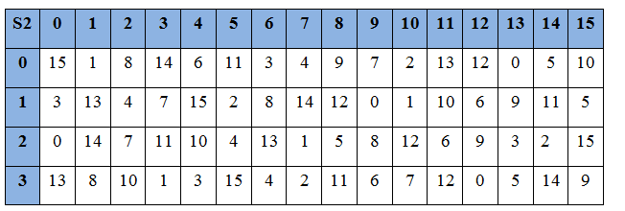
.............. |  |  |  |  |  |  |  |  |  |  |  |  | i=1 | L1=R0
............ |  |  |  |  |  |  |  |  |  |  |  |  |  | R1=L0 | XOR | f (R0, K1)
i=0 | L0=R1
 | R0=L1 | XOR | f (R1, K1)
 |  |  |  |  |  |  |  |  |  |  |  |  | L0 | 1100 | 1100 | 0000 | 0000 | 1100 | 1100 | 1111 | 1111
 |  |  |  |  |  |  |  |  |  |  |  | XOR | f (R0, K1) | 1000 | 0000 | 0001 | 1110 | 0011 | 1111 | 1011 | 1011
 |  |  |  |  |  |  |  |  |  |  |  |  | R1 | 0100 | 1100 | 0001 | 1110 | 1111 | 0011 | 0100 | 0100 |  | 1111 | 0000 | 1010 | 1010 | 1111 | 0000 | 1010 | 1010 | 0100 | 1100 | 0001 | 1110 | 1111 | 0011 | 0100 | 0100
 |  |  |  |  |  |  |  |  |  |  |  |  | L1 | 1111 | 0000 | 1010 | 1010 | 1111 | 0000 | 1010 | 1010 |  |  |  |  |  | L16 |  |  |  |  | R16
 |  |  |  |  |  |  |  |  |  |  |  |  |  |  |  |  |  |  |  |  |  |  | 0100 | 1100 | 0001 | 1110 | 1111 | 0011 | 0100 | 0100 | 1111 | 0000 | 1010 | 1010 | 1111 | 0000 | 1010 | 1010
 |  |  |  |  |  |  |  |  |  |  |  |  |  |  |  |  |  |  |  |  |  |  |  |  |  |  | R16 |  |  |  |  | L16
 |  |  |  |  |  |  |  |  |  |  |  |  | i=2 | L2=R1 |  |  | TƯƠNG TỰ VỚI i=1
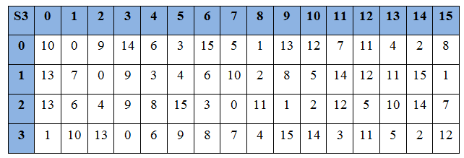
 |  |  |  |  |  |  |  |  |  |  |  |  |  | R2=L1 | XOR | f (R1, K2)

 |  |  |  |  |  |  |  |  |  |  |  |  | .....
 |  |  |  |  |  |  |  |  |  |  |  |  | i=16 | L16=R15 |  |  | L16R16 | ==> |  | R16L16 | => |  | IP-1
 |  |  |  |  |  |  |  |  |  |  |  |  |  | R16=L15 | XOR | f (R15, K16) |  |  |  |  |  |  | 40 0 | 8 0 | 48 0 | 16 0 | 56 0 | 24 1 | 64 0 | 32 0
 |  |  |  |  |  |  |  |  |  |  |  |  |  |  |  |  |  |  |  |  |  |  | 39 0 | 40 0 | 41 0 | 42 0 | 43 0 | 44 0 | 45 0 | 31
 |  |  |  |  |  |  |  |  |  |  |  |  |  |  |  |  |  |  |  |  |  |  | 38 | 6 | 46 | 14 | 54 | 22 | 62 | 30
 |  |  |  |  |  |  |  |  |  |  |  |  |  |  |  |  |  |  |  |  |  |  | 37 | 5 | 45 | 13 | 53 | 21 | 61 | 29
 |  |  |  |  |  |  |  |  |  |  |  |  |  |  |  |  |  |  |  |  |  |  | 36 | 4 | 44 | 12 | 52 | 20 | 60 | 28
 |  |  |  |  |  |  |  |  |  |  |  |  |  |  |  |  |  |  |  |  |  |  | 35 | 3 | 43 | 11 | 51 | 19 | 59 | 27
 |  |  |  |  |  |  |  |  |  |  |  |  |  |  |  |  |  |  |  |  |  |  | 34 | 2 | 42 | 10 | 50 | 18 | 58 | 26
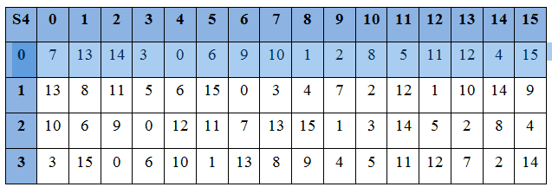
 |  |  |  |  |  |  |  |  |  |  |  |  |  |  |  |  |  |  |  |  |  |  | 33 | 1 | 41 | 9 | 49 | 17 | 57 | 25

 |  |  |  |  |  |  |  |  |  |  |  |  |  |  |  |  |  |  |  |  | => |  | QUA BANG IP-1 TA ĐƯỢC BẢN MÃ HÓA LÀ NHỊ PHÂN===>ĐỔI RA HỆ 16 TA ĐƯỢC BẢN MÃ HÓA C

 |  |  |  |  |  |  |  |  |  |  |  |  |  |  |  |  |  |  |  |  |  |  | 0000 | 0100
 |  |  |  |  |  |  |  |  |  |  |  |  |  |  |  |  |  |  |  |  |  | C= | 0 | 4

 |  |  |  | S5 | 0 | 1 | 2 | 3 | 4 | 5 | 6 | 7 | 8 | 9 | 10 | 11 | 12 | 13 | 14 | 15
 |  |  |  | 0 | 2 | 12 | 4 | 1 | 7 | 10 | 11 | 6 | 8 | 5 | 3 | 15 | 13 | 0 | 14 | 9
 |  |  |  | 1 | 14 | 11 | 2 | 12 | 4 | 7 | 13 | 1 | 5 | 0 | 15 | 10 | 3 | 9 | 8 | 6
 |  |  |  | 2 | 4 | 2 | 1 | 11 | 10 | 13 | 7 | 8 | 15 | 9 | 12 | 5 | 6 | 3 | 0 | 14
 |  |  |  | 3 | 11 | 8 | 12 | 7 | 1 | 14 | 2 | 13 | 6 | 15 | 0 | 9 | 10 | 4 | 5 | 3

